Sheet1
 |  | Document No. | Issue No. | Issue Date |  | Review and Replace Date |  | Authorised By
 |  | GFF070MC | 5 | 06.11.2020 |  | 03.03.2026
 |  | Document Title | 4 Vegetable Spring Rolls 200g
 |  |  |  |  |  |  |  | Magda Shah
Document amendments reason for change |  | Only for Hello Fresh - Product change | Page 1 of 1 |  | Previous Issue Date |  | 27.10.2022 | Uncontrolled copy unless signed original

CVSRM-R10T | GAZEBO - Hello Fresh |  |  |  | 4 Vegetable Spring Rolls 200g

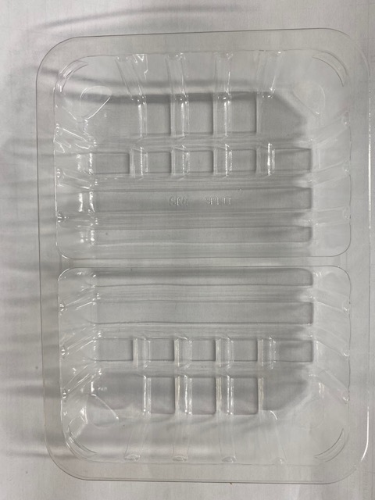 |  |  |  |  | 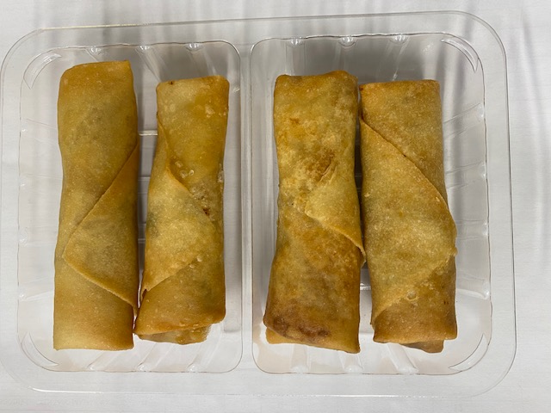

Tray: SK4 Split Clear (PKESS001-06) |  |  |  |  | Vegetable Spring Roll (GFF114R) 50g: 4 pieces
Film: K-peel 7G+25A/f-275mm (PKKMP001-03) |  |  |  |  | Total Weight: 200g
ALLERGY ALERT: SOYA, WHEAT

